Sheet1
 |  |  | Sarmad Riaz 248046

Oil Well Buckling Load Design in Different Well Geometry

Section | Well ID’’ | Drill string (OD’’) | Drill string (ID’’) | E-modulus N/m2 | Weight per unit length, N/m (Mass x 9.81) | BUCKING LOAD (N) |  |  |  | Moment of Intertia (I), (m^4) | Radial Clearance r (m)

 |  |  |  |  |  | Sinusoidal (N) |  | Helical (N)
Vertical | 0.244475 | 0.127 | 0.1016 | 210000000000 | 353.16 | Lubiniski | 11,297 | Wu et al | _ | 7.5393194784E-06
 | 0.244475 | 0.127 | 0.1016 | 210000000000 | 353.16 | Wu et al | _ | Wu et al | 32,319 | 7.5393194784E-06
Bend | 0.244475 | 0.127 | 0.1016 | 210000000000 | 353.16 | Mitchell | 327,830 | Mitchell | 927,760 | 7.5393194784E-06 | 0.0587375
Sail DP | 0.244475 | 0.127 | 0.1016 | 210000000000 | 353.16 | Dawson- Pasley (DP) | 191,781 | Chen et al | 271,219 | 7.5393194784E-06 | 0.0587375
 |  |  |  |  |  |  |  | Wu & Juvkam | 350,658
 |  |  |  |  |  |  |  | Miska et al | 542,439
Sail BHA | 0.244475 | 0.17145 | 0.12065 | 210000000000 | 892.71 | Dawson- Pasley (DP) | 796,922 | Chen et al | 1,127,018 | 3.2014014113E-05 | 0.0365125
 |  |  |  |  |  |  |  | Wu et al | 853,129
 |  |  |  |  |  |  |  | Miska et al | 2,254,037
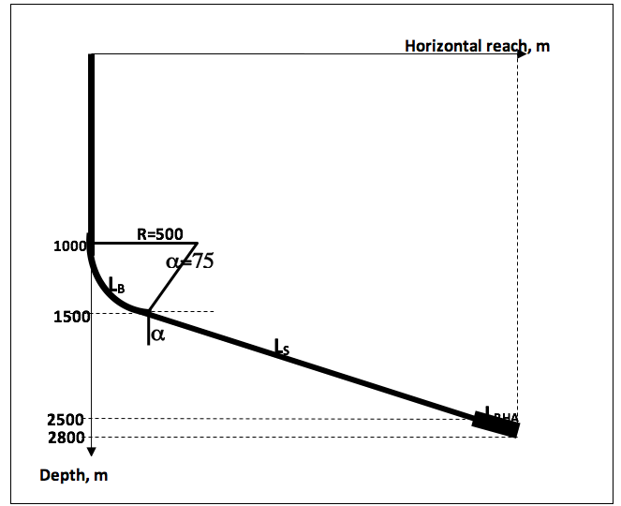
Well Geometry Parameters
Radius of Build up, R (m) | 500
k=1/R (m^-1) | 0.002
Inclination, 𝝰 (deg) | 75
Inclination, 𝝰 (rad) | 1.308996939

Sheet2
Sinusoidal Buckling Load
Depth (m) | Sinusoidal Buckling Loads (N)
0 | 11297
-500 | 11297
-500 | 11297
-1000 | 327830
-1000 | 327830
-1500 | 327830
-1500 | 191781
-2000 | 191781
-2000 | 191781
-2500 | 796922
-2500 | 796922
-3000 | 796922

Sheet3
Helical Buckling Load
Depth | Helical Buckling Loads (N) | Helical Buckling Loads (N) | Helical Buckling Loads (N)
0 | 32319 | 32319 | 32319
-500 | 32319 | 32319 | 32319
-1000 | 32319 | 32319 | 32319
-1000 | 927360 | 927360 | 927360
-1000 | 927360 | 927360 | 927360
-1500 | 927360 | 927360 | 927360
-1500 | 542439 | 271219 | 350658
-2000 | 542439 | 271219 | 350658
-2500 | 542439 | 271219 | 350658
-2500 | 2254037 | 1127018 | 853129
-2800 | 2254037 | 1127018 | 853129
-3000 | 2254037 | 1127018 | 853129

